Solicitation Ltr
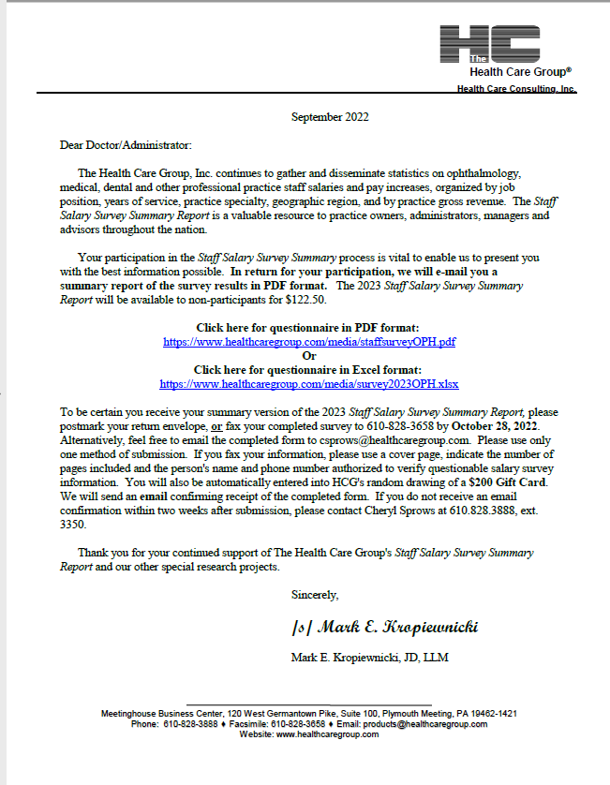
Please complete the following three tabs in this Excel file:
1. Your Contact Information;
2. Salary Information;
3. Questions

